Magnetization of Particles
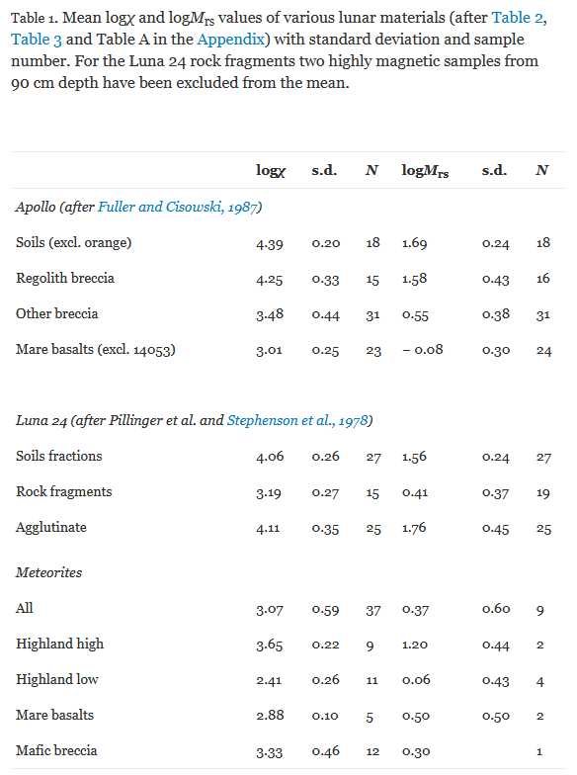
Summary
Exciting solenoid specs |  |  |  |  |  |  |  |  |  | https://www-sciencedirect-com.ezproxy.library.uvic.ca/science/article/pii/S0012821X10001093?via%3Dihub
AWG |  |  | 28
Current |  | [A] | 0.226
Wire diameter |  | [mm] | 0.3429
Turns |  |  | 5000
Wraps |  |  | 38 | Min needed is 35
Radius |  | [mm] | 10
Coil length |  | [mm] | 45.11842105 | Must be less than 50mm to fit in payload
Overall diameter |  | [mm] | 46.0604
Assumptions |  |  | Made of copper magnet wire, 20AWG, multiple wraps won't significantly affect magnetic field strength
 |  |  | Moon materials will magnetize quickly enough that coil won't need to be left on long enough to cause any temperature-related problems

Cancellation solenoid specs
Distance between solenoid centers |  | [mm] | 55 | Max distance is 57.12 mm, min distance is 43 mm
AWG |  |  | 26 |  |  |  | logX susceptiblity | Magnetization field at payload (microT) | Min grain size (mm diameter)
Current |  | [A] | 0.226 |  |  |  | 2.41 | 0.316 | 1.2
Wire diameter |  | [mm] | 0.42672 |  |  |  | 3.07 | 0.429 | 0.72
Turns |  |  | 752 |  |  |  | 3.1 | 0.308 | 0.7
Wraps |  |  | 9 |  |  |  | 3.3 | 0.308 | 0.6
Radius |  | [mm] | 16.0078 |  |  |  | 3.5 | 0.317 | 0.52
Overall diameter |  | [mm] | 39.69658119 |  |  |  | 3.7 | 0.304 | 0.44
Overall length |  | [mm] | 35.65482667 |  |  |  | 3.9 | 0.311 | 0.38
Assumptions |  |  | Made of copper magnet wire, 20AWG, multiple wraps won't significantly affect magnetic field strength |  |  |  | 4.1 | 0.294 | 0.32
 |  |  | Moon materials will magnetize quickly enough that coil won't need to be left on long enough to cause any temperature-related problems |  |  |  | 4.3 | 0.312 | 0.28
 |  |  |  |  |  |  | 4.39 | 0.307 | 0.26
Magnetization
Distance of solenoid ends from surface |  | [cm] | 4.5
Strength of primary field at lunar surface |  | [T] | 0.00077914945
Particle size (radius) |  | [m] | 0.00013
Particle magnetic susceptibility (logX) |  |  | 4.39 |  |  | 0.1nT to 2,000,000nT
Magnetization field at payload |  | [ μT] | 0.3074128569 | TI DRV425 fluxgate magnetometer has noise level of 0.0001 μT, max sensing range of 2000 μT
Assumptions |  |  | Magnetization strength at payload does not vary significantly across the distance between the exciting solenoid and the magnetometer

Using a solenoid to magnetically excite ferromagnetic materials

Solenoid current I | I | [ A ] | 0.226
Copper magnet wire resistivity |  |  | 1.72E-08
Solenoid number of turns N | N |  | 5000
Solenoid radius a | a | [ m ] | 0.01

Wire diameter |  | [ mm ] | 0.3429 | https://www.remingtonindustries.com/magnet-wire/magnet-wire-28-awg-enameled-copper-8-spool-sizes/
Min wraps |  |  | 35
Layers of wraps |  |  | 38
Coil length |  | [ mm ] | 45.11842105 | Must be less than 50mm to fit in payload

Solenoid magnetic moment M | M | [ Am^2 ] | 0.3549999699

x Distance between sensor and lunar surface | r_1 | [ m ] | 0.045

Exciting field strength at lunar surface | B_1 | [ T ] | 0.00077914945 |  | At points along the axis of a solenoid far away from it (x >> half the length)
Exciting field strength at lunar surface [ mT ] |  |  | 0.7791494537
Exciting field strength at lunar surface [ microT ] |  |  | 779.1494537
Exciting field strength at lunar surface [ nT ] |  |  | 779149.4537
 |  | [ H ] | 620.0274348

Distance between fluxgate magnetometer and center of exciting magnet | r_2 | [ m ] | 0.055

Exciting field strength at fluxgate magnetometer | B_2 | [ T ] | 0.0002133733853

Magnetometer width |  | [ m ] | 0.02 | https://gmw.com/wp-content/uploads/2019/08/Mag610-611-614_DS3629.pdf
Magnetometer length |  | [ m ] | 0.025
Min cancellation solenoid radius |  | [ m ] | 0.01600781059
Solenoid current |  | [ A ] | 0.226
Required solenoid turns |  |  | 752
Wraps to make turns work |  |  | 9

Magnetization

logX |  |  | 4.39
Magnetic Susceptibility | X |  | 24547.08916
Magnetization | M | [ H ] | 15219868.72
Particle radius | a | [ m ] | 0.00013

 | m |  | 0.0001400649829
Magnetic field back at the payload due to magnetization |  | [ T ] | 3.074128569E-07 | http://farside.ph.utexas.edu/teaching/jk1/lectures/node61.html
 |  | [ μT ] | 0.3074128569

Design things to watch out for
Hot solenoids --> Continuous use is worrisome, but intermittent short use could be fine
Out of sync solenoids accidentally ruining magnetometer --> Turn them on gradually rather than

